Joins
NAME | COURSE |  | NAME | SCORE
ALI | PHYSIC |  | MOSTAFA | 17
HASAN | MATHEMATICS |  | MOHSEN | 16
MOHAMMAD | STATISTICS |  | MOHAMMAD | 16.5
REZA | PHYSIC |  | REZA | 17
MEHRDAD | BIOLOGY |  | MEHRDAD | 18

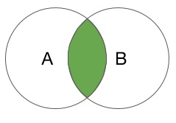

NAME | COURSE | SCORE
MOHAMMAD | STATISTICS | 16.5
REZA | PHYSIC | 17
MEHRDAD | BIOLOGY | 18

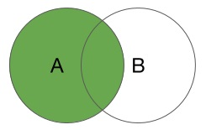
NAME | COURSE | SCORE
ALI | PHYSIC | null
HASAN | MATHEMATICS | null
MOHAMMAD | STATISTICS | 16.5
REZA | PHYSIC | 17
MEHRDAD | BIOLOGY | 18

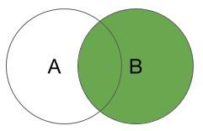

NAME | SCORE | COURSE
MOSTAFA | 17 | null
MOHSEN | 16 | null
MOHAMMAD | 16.5 | STATISTICS
REZA | 17 | PHYSIC
MEHRDAD | 18 | BIOLOGY

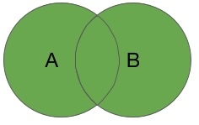
NAME | COURSE | SCORE
ALI | PHYSIC | null
HASAN | MATHEMATICS | null
MOHAMMAD | STATISTICS | 16.5
REZA | PHYSIC | 17
MEHRDAD | BIOLOGY | 18
MOSTAFA | null | 17
MOHSEN | null | 16

